Sheet1
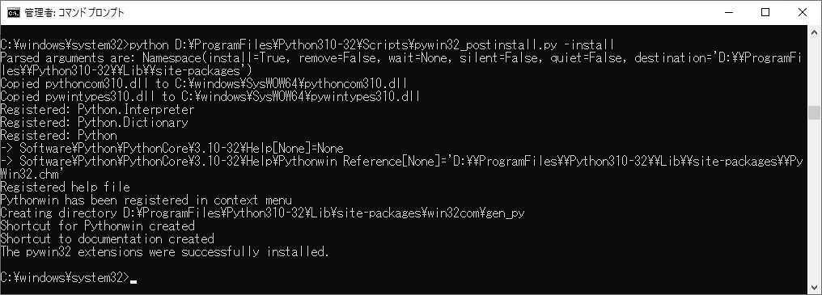
참고 사이트 : |  | https://qiita.com/sakkaonline/items/4d30fff24a1752c3977a
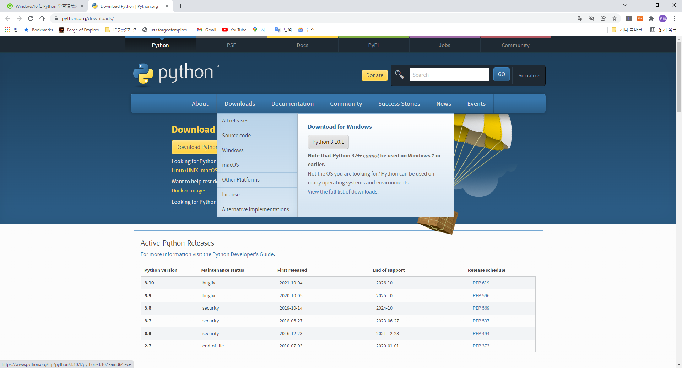

 | -> python-3.10.1-amd64.exe
 | -> 소스: | python-3.10.1-embed-amd64.zip

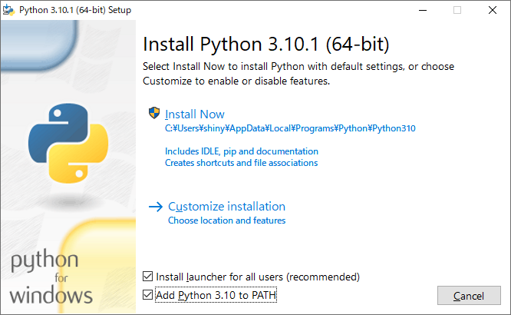

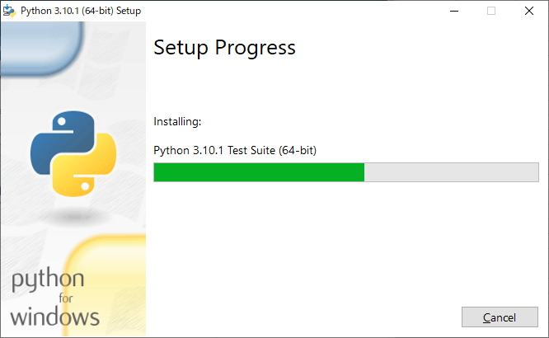

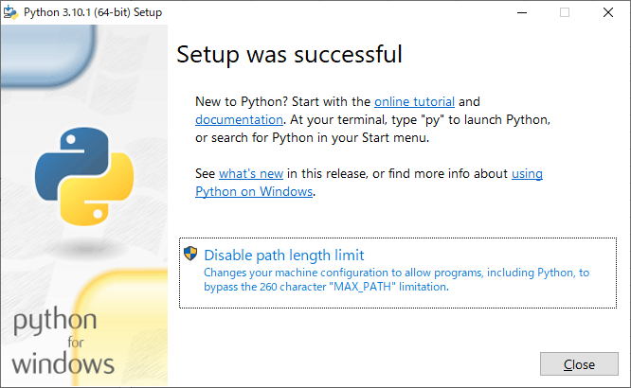

 | pip 업그레이드 코멘드
 | C:\Users\shiny\AppData\Local\Programs\Python\Python310\python.exe -m pip install --upgrade pip
 | D:\Program Files\Python310-32\python.exe -m pip install --upgrade pip

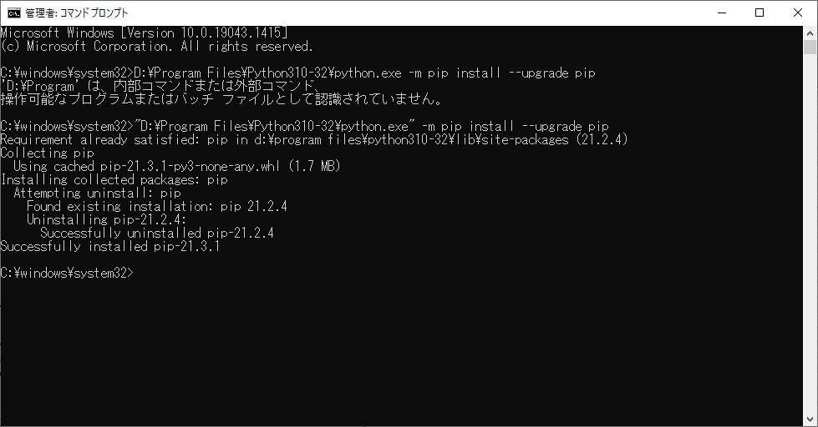

 | pip install numpy --upgrade
 | numpy install error

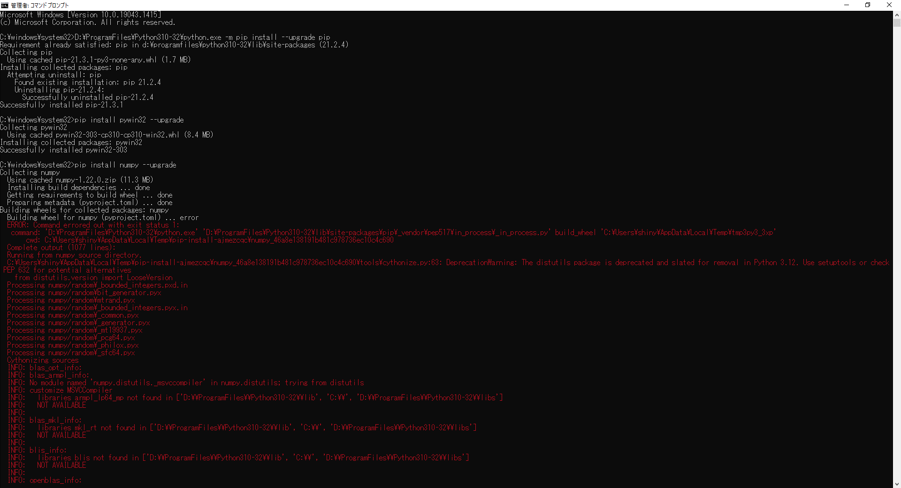

 | Error in building wheel for numpy(pyproject.toml) [python 3.10] [duplicate]
 |  | https://stackoverflow.com/questions/69538027/error-in-building-wheel-for-numpypyproject-toml-python-3-10

 | ⇒Visual studio 2022 インストール後、エラー解除
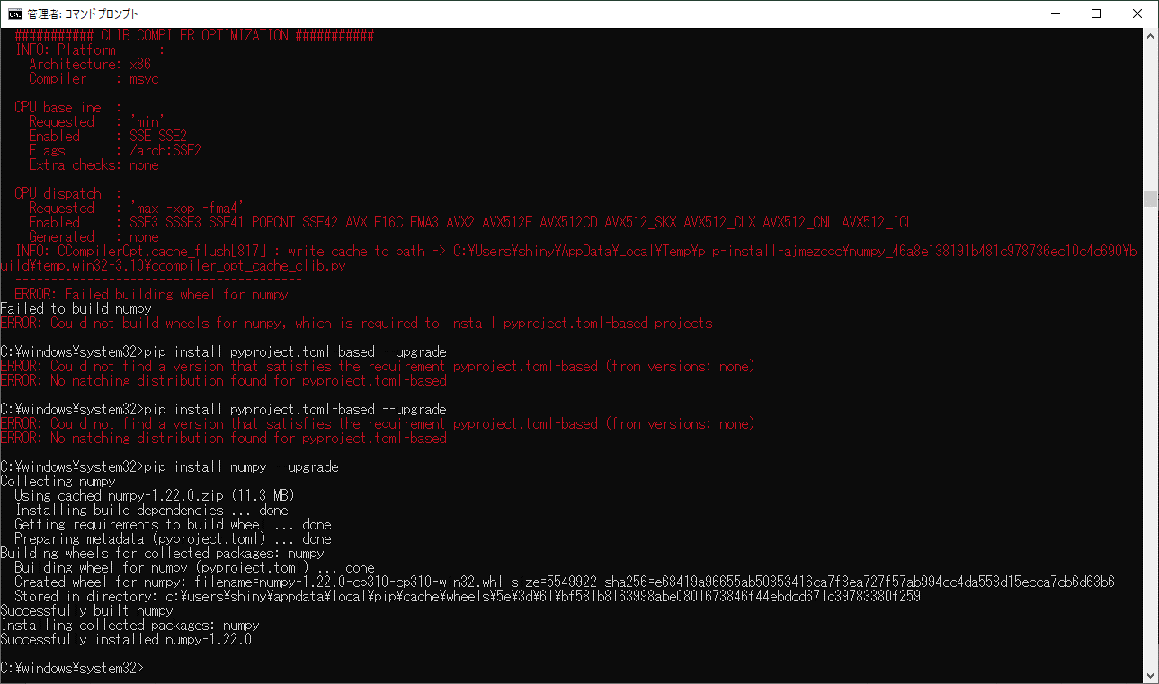

 | pip install pandas --upgrade

